COMMERCIAL INVOICE
COMMERCIAL INVOICE
DATE OF EXPORT |  | TERMS OF SALE | SHIPMENT MODE |  |  | CURRENCY | SHIPMENT TERMS
2018-01-23 |  | 100% CASH ADVANCE | BY SEA |  |  | AED | EX FACTORY
EXPORTER |  |  | BILL TO THE IMPORTER

COUNTRY OF ULTIMATE DESTINATION |  |  | IMPORTER (IF DIFFERENT THAN CONSIGNEE)

COUNTRY OF MANUFACTURE

Sr. No | Description |  |  | QTY | UM | PRICE | AMOUNT

 |  |  |  |  |  | SUBTOTAL
 |  |  |  |  |  | Others | -
 |  |  |  | TOTAL
Packing: In Container
Origin:
Loading:
Discharge:
All Other details as per our P/I No. KIPESPT-PI20501 dated 08-01-2018

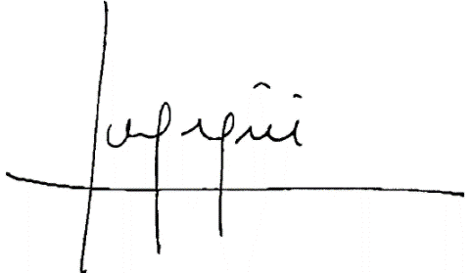
I hearby certify that this invoice shows the actual price of goods described, that no other invoice has been issued, and that all particulars are true and correct.

PACKING LIST
PACKING LIST
DATE OF EXPORT |  | SHIPMENT TERMS | SHIPMENT MODE | CURRENCY | SHIPMENT TERMS
 |  | 100% CASH ADVANCE | BY SEA | AED | EX FACTORY
EXPORTER |  |  | SHIP TO IMPORTER
Kannur General Trading S.A |  |  | Shanghai Hualong Mineral Products Co., Ltd.
Andalucia, Spain |  |  | Shanghai, China

COUNTRY OF ULTIMATE DESTINATION |  |  | IMPORTER (IF DIFFERENT THAN CONSIGNEE)
China
COUNTRY OF MANUFACTURE
Spain
Sr. No | Description |  | QUANITY | UNITS
1 | Normal Type Powder Grinding Machine |  | 40 | PC
2 | Normal Capacity German Technical Cement Maker |  | 99 | PC

Packing: In Container
Origin:
Loading:
Discharge : All Other details as per our P/I No. KIPESPT-PI20501 dated 08-01-2018

